vdWall ..equation
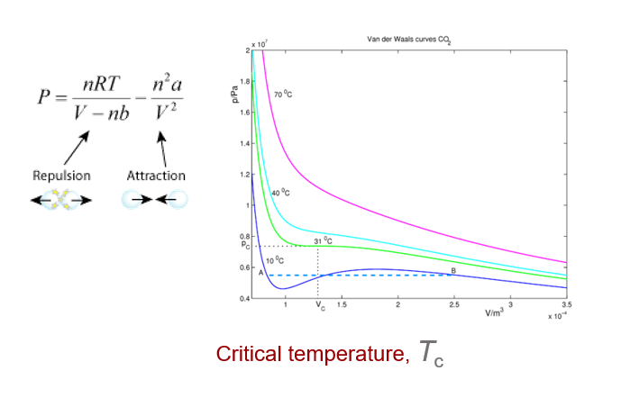
van der Waals …equation
 |  |  |  |  |  |  | gás | CO2 |  |  |  |  |  |  |  | gás | PV=nRT

Deviation from ideal behavior
 |  |  |  |  |  |  | n/mol | 1 |  |  |  |  |  |  |  | n/mol | 1
credits_ Luís Belchior Santos /2023
 |  |  |  |  |  |  | a | b |  |  |  |  |  |  |  | a | b
 |  |  |  |  |  |  | 3.59000E-01 | 4.27000E-05 |  |  |  |  |  |  |  | 0.00000E+00 | 0.00000E+00
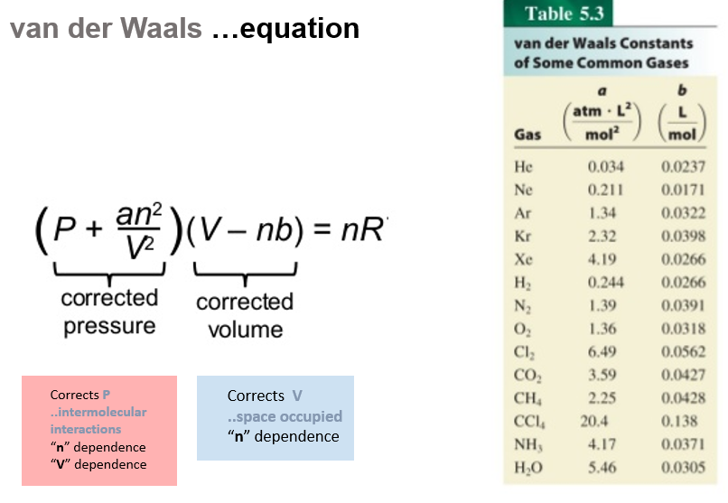
 |  |  |  |  |  |  |  |  | 10 | incremento de temperatura |  |  |  |  |  |  |  | 10 | incremento de temperatura
 |  |  |  |  |  |  |  |  | 0 | 10 | 20 | 25 | 31 | 40 | 70 |  |  | 0 | 10 | 20 | 25 | 31 | 40 | 70
 |  |  |  |  |  |  |  | T/K | 273.15 | 283.15 | 293.15 | 298.15 | 304.15 | 313.15 | 343.15 |  | T/K | 273.15 | 283.15 | 293.15 | 298.15 | 304.15 | 313.15 | 343.15

 | a | b |  | a | b | V/dm3 | V/m3 |  | P/Pa |  |  |  |  |  |  |  |  | P/Pa
 |  |  |  | (Pa.m6.mol-2) | (m3.mol-1) | 0.7 | 0.00007 |  | 9.92E+06 | 1.30E+07 | 1.60E+07 | 1.75E+07 | 1.94E+07 | 2.21E+07 | 3.12E+07 |  |  | 3.24E+07 | 3.36E+07 | 3.48E+07 | 3.54E+07 | 3.61E+07 | 3.72E+07 | 4.08E+07
 | 0.034 | 0.0237 |  |  |  | 0.8 | 0.00008 |  | 4.79E+06 | 7.02E+06 | 9.25E+06 | 1.04E+07 | 1.17E+07 | 1.37E+07 | 2.04E+07 |  |  | 2.84E+07 | 2.94E+07 | 3.05E+07 | 3.10E+07 | 3.16E+07 | 3.25E+07 | 3.57E+07
 | 0.211 | 0.0171 | He | 0.0034 | 0.0000237 | 1 | 0.0001 |  | 3.73E+06 | 5.19E+06 | 6.64E+06 | 7.36E+06 | 8.23E+06 | 9.54E+06 | 1.39E+07 |  |  | 2.27E+07 | 2.35E+07 | 2.44E+07 | 2.48E+07 | 2.53E+07 | 2.60E+07 | 2.85E+07
 | 1.34 | 0.0322 | Ne | 0.0211 | 0.0000171 | 1.1 | 0.00011 |  | 4.08E+06 | 5.31E+06 | 6.55E+06 | 7.16E+06 | 7.91E+06 | 9.02E+06 | 1.27E+07 |  |  | 2.06E+07 | 2.14E+07 | 2.22E+07 | 2.25E+07 | 2.30E+07 | 2.37E+07 | 2.59E+07
 | 2.32 | 0.0398 | Ar | 0.134 | 0.0000322 | 1.4 | 0.00014 |  | 5.02E+06 | 5.88E+06 | 6.73E+06 | 7.16E+06 | 7.67E+06 | 8.44E+06 | 1.10E+07 |  |  | 1.62E+07 | 1.68E+07 | 1.74E+07 | 1.77E+07 | 1.81E+07 | 1.86E+07 | 2.04E+07
 | 4.19 | 0.0391 | Kr | 0.232 | 0.0000398 | 1.7 | 0.00017 |  | 5.42E+06 | 6.07E+06 | 6.72E+06 | 7.05E+06 | 7.44E+06 | 8.03E+06 | 9.99E+06 |  |  | 1.34E+07 | 1.38E+07 | 1.43E+07 | 1.46E+07 | 1.49E+07 | 1.53E+07 | 1.68E+07
 | 0.244 | 0.0266 | Xe | 0.419 | 0.0000391 | 2 | 0.0002 |  | 5.46E+06 | 5.99E+06 | 6.52E+06 | 6.78E+06 | 7.10E+06 | 7.58E+06 | 9.16E+06 |  |  | 1.14E+07 | 1.18E+07 | 1.22E+07 | 1.24E+07 | 1.26E+07 | 1.30E+07 | 1.43E+07
 | 1.39 | 0.0391 | H2 | 0.0244 | 0.0000266 | 2.3 | 0.00023 |  | 5.34E+06 | 5.78E+06 | 6.23E+06 | 6.45E+06 | 6.72E+06 | 7.11E+06 | 8.45E+06 |  |  | 9.87E+06 | 1.02E+07 | 1.06E+07 | 1.08E+07 | 1.10E+07 | 1.13E+07 | 1.24E+07
 | 6.49 | 0.0318 | N2 | 0.139 | 0.0000391 | 2.6 | 0.00026 |  | 5.14E+06 | 5.52E+06 | 5.91E+06 | 6.10E+06 | 6.33E+06 | 6.67E+06 | 7.82E+06 |  |  | 8.73E+06 | 9.05E+06 | 9.37E+06 | 9.53E+06 | 9.73E+06 | 1.00E+07 | 1.10E+07
 | 3.59 | 0.0427 | Cl2 | 0.649 | 0.0000318 | 2.9 | 0.00029 |  | 4.91E+06 | 5.25E+06 | 5.59E+06 | 5.76E+06 | 5.96E+06 | 6.26E+06 | 7.27E+06 |  |  | 7.83E+06 | 8.12E+06 | 8.40E+06 | 8.55E+06 | 8.72E+06 | 8.98E+06 | 9.84E+06
 |  |  | CO2 | 0.359 | 0.0000427 | 3.2 | 0.00032 |  | 4.68E+06 | 4.98E+06 | 5.28E+06 | 5.43E+06 | 5.61E+06 | 5.88E+06 | 6.78E+06 |  |  | 7.10E+06 | 7.36E+06 | 7.62E+06 | 7.75E+06 | 7.90E+06 | 8.14E+06 | 8.92E+06
 |  |  |  |  |  | 3.5 | 0.00035 |  | 4.46E+06 | 4.73E+06 | 5.00E+06 | 5.14E+06 | 5.30E+06 | 5.54E+06 | 6.35E+06 |  |  | 6.49E+06 | 6.73E+06 | 6.96E+06 | 7.08E+06 | 7.23E+06 | 7.44E+06 | 8.15E+06

vdWall_Equation ..& PV=nRT
PV=nRT

