Planilha1
F($T_{∞}$) $=C_{P}\left(100bar , T_{∞}\right)−C_{P}(60bar , T_{∞}$) = 0 →
 |  |  |  |  |  |  |  |  |  |  |  |  | Tn | f(T) | f(T+eps) | f'(T) | Tn+1 | erro
 |  |  |  |  |  |  |  |  |  |  |  |  | 40 | 3.8239228503 | 3.8244523519 | 0.52950161725 | 32.7782603 | -7.2217396997
 |  |  |  |  |  |  |  |  |  |  |  |  | 32.7782603 | 1.3724325363 | 1.3726580594 | 0.22552305599 | 26.692707184 | -6.0855531167
 |  |  |  |  |  |  |  |  |  |  |  |  | 26.692707184 | -0.040394133945 | -0.040103658612 | 0.29047533283 | 26.831769367 | 0.13906218319
 |  |  |  |  | Fluido | carbon dioxide |  |  |  |  |  |  | 26.831769367 | -0.00041173041718 | -0.00012715736484 | 0.28457305234 | 26.833216202 | 0.0014468355798
 |  |  |  |  |  |  |  |  |  | T4 | 150 | oC | 26.833216202 | -1.3292277057E-08 | 0.00028450027558 | 0.28451356786 | 26.833216249 | 4.6719307534E-08
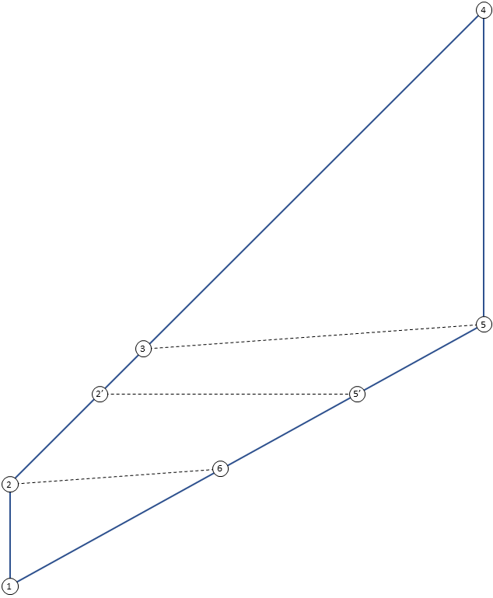
 |  |  |  |  |  |  |  |  |  | P4 | 100 | bar | 26.833216249 | 9.063860773E-13 | 0.0002845135669 | 0.284513566 | 26.833216249 | -3.1867841699E-12
 |  |  |  |  |  |  |  |  |  | h4 | 571.9491649 | kJ/kg | 26.833216249 | 1.0214051827E-14 | 0.00028451356598 | 0.28451356597 | 26.833216249 | -3.5527136788E-14
 |  |  |  |  |  |  |  |  |  | s4 | 2.1010737152 | kJ/kg/K | 26.833216249 | -1.4210854715E-14 | 0.00028451356598 | 0.28451356599 | 26.833216249 | 4.9737991503E-14
 |  |  | T3 | 49.077707219 | oC |  |  |  |  |  |  |  | 26.833216249 | 1.0214051827E-14 | 0.00028451356598 | 0.28451356597 | 26.833216249 | -3.5527136788E-14
 |  |  | P3=P4 | 100 | bar
 |  |  | h3 | 378.47859423 | kJ/kg
 |  |  | s3 | 1.5621798398 | kJ/kg/K |  |  |  |  |  |  |  | ana. energética
 |  |  |  |  |  |  |  |  |  |  |  |  | w12 | -5.0216319113 | kJ/kg
 | T2'=T | 26.833216249 | oC |  |  |  |  |  |  |  |  |  | q23 | 119.17830733 | kJ/kg
 | P2'=P4 | 100 | bar |  |  |  |  |  |  |  |  |  | q34 | 193.47057067 | kJ/kg
 | h2' | 261.74546249 | kJ/kg |  |  |  |  |  |  | T5 | 103.58252884 | oC | w45 | 33.109286627 | kJ/kg
 | s2' | 1.1892820768 | kJ/kg/K |  |  |  |  |  |  | P5=P1 | 60 | bar | q56 | -119.17830733 | kJ/kg
 |  |  |  |  |  |  |  |  |  | h5 | 538.83987827 | kJ/kg | q61 | -165.38291595 | kJ/kg
T2 | 26.007233345 | oC |  |  |  |  |  |  |  | s5=s4 | 2.1010737152 | kJ/kg/K | imbal. | 0 | kJ/kg
P2=P4 | 100 | bar |  |  |  |  |  |  |  |  |  |  | recup. | 0 | kJ/kg
h2 | 259.3002869 | kJ/kg |  |  |  |  |  | T5'=T | 26.833216249 | oC
s2=s1 | 1.1811198218 | kJ/kg/K |  |  |  |  |  | P5'=P1 | 60 | bar |  |  | Carnot | 30.7% | nd
 |  |  |  |  |  |  |  | h5' | 422.10674653 | kJ/kg |  |  | rend.1 | 14.5% | nd
 |  |  |  |  |  |  |  | s5' | 1.7494094466 | kJ/kg/K |  |  | rend.2 | 47.3% | nd

$$\frac{S_{gen,VC}}{m_{B}}=−\left(\frac{q_{34}}{T_{H}}+\frac{q_{61}}{T_{L}}\right)$$
T1 | 20 | oC |  |  |  |  | T6 | 26.039103636 | oC |  |  |  | ana. entrópica
P1 | 60 | bar |  |  |  |  | P6=P1 | 60 | bar
h1 | 254.27865499 | kJ/kg |  |  |  |  | h6 | 419.66157094 | kJ/kg |  |  |  | sgen,vc | 0.10694289143 | kJ/kg
s1 | 1.1811198218 | kJ/kg/K |  |  |  |  | s6 | 1.7412474891 | kJ/kg/K

$$\frac{S_{gen,regen}}{m_{B}}=−s_{5}−s_{2}+s_{3}+s_{6}$$
 |  |  |  |  |  |  |  |  |  |  |  |  | sgen,regen | 0.021233791883 | kJ/kg

