1_Resource
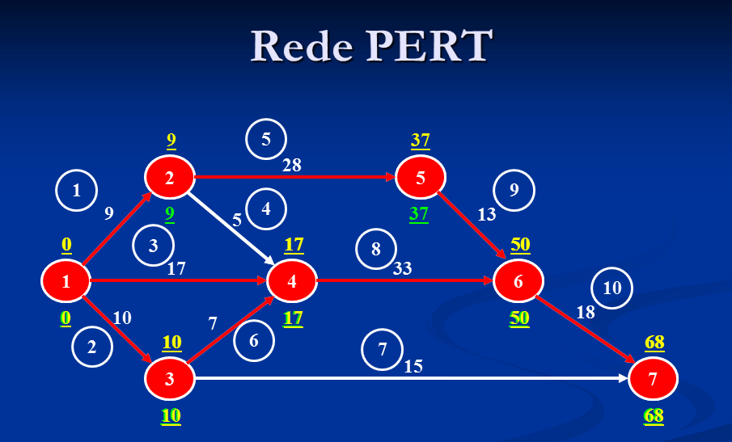
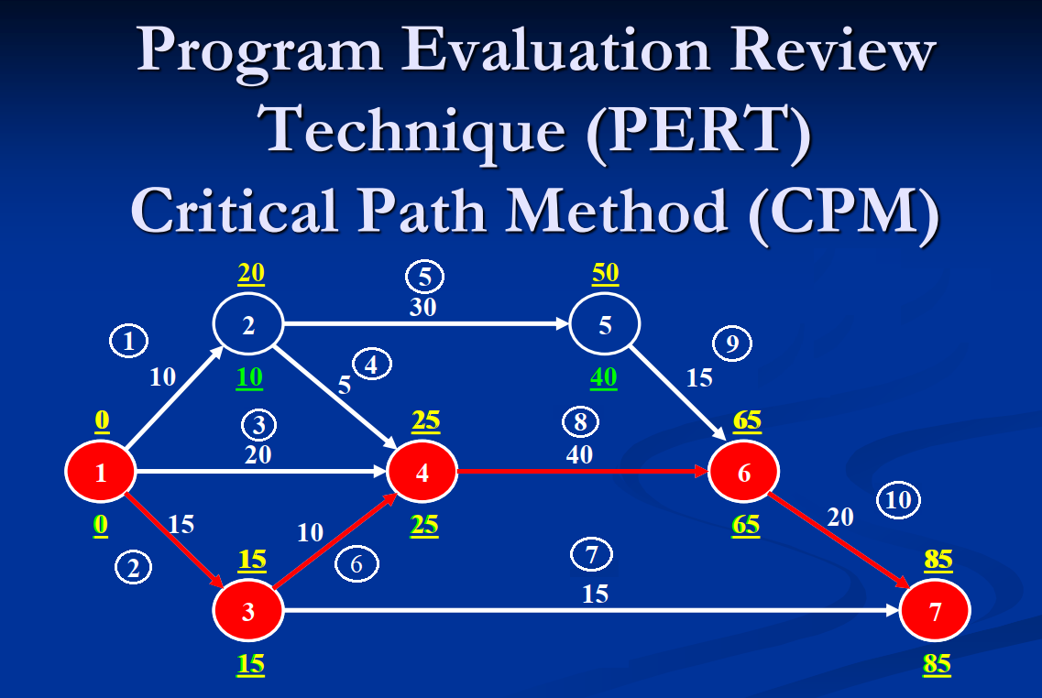
 |  |  |  | Days |  | $ (Cost)
 |  | Activity | Predecessor | Normal | Accelerated | Cost Normal | Cost Accelerated | Max redução | Cost/day | rf (Fi - duration) | TSi | Fi | Duration
 |  | Start |  |  |  |  |  |  |  |  |  | 0
 |  | 1 | Start | 10 | 9 | $400.00 | $520.00 | 1 | $120.00 | 0 | 0 | 10 | 10
 |  | 2 | Start | 15 | 10 | $600.00 | $760.00 | 5 | $32.00 | 10 | 0 | 25 | 15
 |  | 3 | Start | 20 | 17 | $380.00 | $450.00 | 3 | $23.33 | 25 | 0 | 45 | 20
 |  | 4 | 1 | 5 | 4 | $560.00 | $660.00 | 1 | $100.00 | 45 | 0 | 50 | 5
 |  | 5 | 1 | 30 | 28 | $800.00 | $1,050.00 | 2 | $125.00 | 100 | 0 | 130 | 30
 |  | 6 | 2 | 10 | 7 | $650.00 | $770.00 | 3 | $40.00 | 50 | 0 | 60 | 10
 |  | 7 | 2 | 15 | 13 | $500.00 | $578.00 | 2 | $39.00 | 165 | 0 | 180 | 15
 |  | 8 | 3, 4 e 6 | 40 | 32 | $600.00 | $870.00 | 8 | $33.75 | 60 | 0 | 100 | 40
 |  | 9 | 5 | 15 | 13 | $500.00 | $650.00 | 2 | $75.00 | 130 | 0 | 145 | 15
 |  | 10 | 8 e 9 | 20 | 18 | $450.00 | $720.00 | 2 | $135.00 | 145 | 0 | 165 | 20
 |  | End | 7 e 10 |  |  |  |  |  |  | 165
 |  |  |  |  |  |  |  |  |  | Total Cost |  | 0
 |  |  | Normal time of 85 days |  |  |  | 1 resource
 |  |  | Project duration |  | 180 | days | Activity | Time |  |  |  | 1 | 2 | 3 | 4 | 6 | 8 | 5 | 9 | 10 | 7
 |  |  | Wanted |  | 180 | days | 1 | 10 |  |  | R1 | 10 | 15 | 20 | 5 | 10 | 40 | 30 | 15 | 20 | 15
Tsi | reduction |  | Activity | Time |  |  | 2 | 15
rf | (end date later of task) - (task duration) |  | 1 - 5 - 9 - 10 | 75 |  |  | 3 | 20
Fi | end date later of task |  | 1 - 4 - 8 - 10 | 75 |  |  | 4 | 5
 |  |  | 3 - 8 - 10 | 80 |  |  | 6 | 10
 |  |  | 2 - 6 - 8 - 10 | 85 |  |  | 8 | 40
 |  |  | 2 - 7 | 30 |  |  | 5 | 30
 |  |  |  |  |  |  | 9 | 15
 |  |  |  |  |  |  | 10 | 20
 |  |  |  |  |  |  | 7 | 15
 |  |  |  |  |  |  |  | 180

1_Resource_rascunho
 |  |  |  | Days |  | $ (Cost)
 |  | Activity | Predecessor | Normal | Accelerated | Cost Normal | Cost Accelerated | Max redução | Cost/day | rf (Fi - duration) | TSi | Fi | Duration
 |  | Start |  |  |  |  |  |  |  |  |  | 0
 |  | 1 | Start | 10 | 9 | $400.00 | $520.00 | 1 | $120.00 | 0 | 0 | 10 | 10
 |  | 2 | Start | 15 | 10 | $600.00 | $760.00 | 5 | $32.00 | 10 | 0 | 25 | 15
 |  | 3 | Start | 20 | 17 | $380.00 | $450.00 | 3 | $23.33 | 25 | 0 | 45 | 20
 |  | 4 | 1 | 5 | 4 | $560.00 | $660.00 | 1 | $100.00 | 45 | 0 | 50 | 5
 |  | 5 | 1 | 30 | 28 | $800.00 | $1,050.00 | 2 | $125.00 | 100 | 0 | 130 | 30
 |  | 6 | 2 | 10 | 7 | $650.00 | $770.00 | 3 | $40.00 | 50 | 0 | 60 | 10
 |  | 7 | 2 | 15 | 13 | $500.00 | $578.00 | 2 | $39.00 | 165 | 0 | 180 | 15
 |  | 8 | 3, 4 e 6 | 40 | 32 | $600.00 | $870.00 | 8 | $33.75 | 60 | 0 | 100 | 40
 |  | 9 | 5 | 15 | 13 | $500.00 | $650.00 | 2 | $75.00 | 130 | 0 | 145 | 15
 |  | 10 | 8 e 9 | 20 | 18 | $450.00 | $720.00 | 2 | $135.00 | 145 | 0 | 165 | 20
 |  | End | 7 e 10 |  |  |  |  |  |  | 165
 |  |  |  |  |  |  |  |  |  | Total Cost |  | 0
 |  |  | Normal time of 85 days |  |  |  | 1 resource
 |  |  | Project duration |  | 180 | days | Activity | Time |  |  |  | 1 | 2 | 3 | 4 | 6 | 8 | 5 | 9 | 10 | 7
 |  |  | Wanted |  | 180 | days | 1 | 10 |  |  | R1 | 10 | 15 | 20 | 5 | 10 | 40 | 30 | 15 | 20 | 15
Tsi | reduction |  | Activity | Time |  |  | 2 | 15
rf | (end date later of task) - (task duration) |  | 1 - 5 - 9 - 10 | 75 |  |  | 3 | 20
Fi | end date later of task |  | 1 - 4 - 8 - 10 | 75 |  |  | 4 | 5
 |  |  | 3 - 8 - 10 | 80 |  |  | 6 | 10
 |  |  | 2 - 6 - 8 - 10 | 85 |  |  | 8 | 40
 |  |  | 2 - 7 | 30 |  |  | 5 | 30
 |  |  |  |  |  |  | 9 | 15
 |  |  |  |  |  |  | 10 | 20
 |  |  |  |  |  |  | 7 | 15
 |  |  |  |  |  |  |  | 180

2_Resources
 |  |  |  | Days |  | $ (Cost)
 |  | Activity | Predecessor | Normal | Accelerated | Cost Normal | Cost Accelerated | Max redução | Cost/day | rf (Fi - duration) | TSi | Fi | Duration
 |  | Start |  |  |  |  |  |  |  |  |  | 0
 |  | 1 | Start | 10 | 9 | $400.00 | $520.00 | 1 | $120.00 | 0 | 0 | 10 | 10
 |  | 2 | Start | 15 | 10 | $600.00 | $760.00 | 5 | $32.00 | 5 | 0 | 20 | 15
 |  | 3 | Start | 20 | 17 | $380.00 | $450.00 | 3 | $23.33 | 10 | 0 | 30 | 20
 |  | 4 | 1 | 5 | 4 | $560.00 | $660.00 | 1 | $100.00 | 20 | 0 | 25 | 5
 |  | 5 | 1 | 30 | 28 | $800.00 | $1,050.00 | 2 | $125.00 | 30 | 0 | 60 | 30
 |  | 6 | 2 | 10 | 7 | $650.00 | $770.00 | 3 | $40.00 | 25 | 0 | 35 | 10
 |  | 7 | 2 | 15 | 13 | $500.00 | $578.00 | 2 | $39.00 | 75 | 0 | 90 | 15
 |  | 8 | 3, 4 e 6 | 40 | 32 | $600.00 | $870.00 | 8 | $33.75 | 35 | 0 | 75 | 40
 |  | 9 | 5 | 15 | 13 | $500.00 | $650.00 | 2 | $75.00 | 60 | 0 | 75 | 15
 |  | 10 | 8 e 9 | 20 | 18 | $450.00 | $720.00 | 2 | $135.00 | 75 | 0 | 95 | 20
 |  | End | 7 e 10 |  |  |  |  |  |  | 95
 |  |  |  |  |  |  |  |  |  | Total Cost |  | 0
 |  |  | Normal time of 85 days
 |  |  | Project duration |  | 95 | days |  |  |  |  |  | Ativ. 1 | Ativ. 2 | Ativ. 3 | Ativ. 4 | Ativ. 5 | Ativ. 6 | Ativ. 8 | Ativ. 7 | Ativ. 9 | Ativ. 10
 |  |  | wanted |  | 95 | days |  |  |  |  | R1 | 10 |  | 20 |  | 30 |  |  |  | 15 | 20
Tsi | reduction |  | Activity | Time |  |  |  |  |  |  | R2 |  | 15 |  | 5 |  | 10 | 40 | 15
 | Ativ. 1 | Ativ. 2 | Ativ. 3 | Ativ. 4 | Ativ. 5 | Ativ. 6 | Ativ. 8 | Ativ. 7 | Ativ. 9 | Ativ. 10
R1 | 10 |  | 20 |  | 30 |  |  |  | 15 | 20
R2 |  | 15 |  | 5 |  | 10 | 40 | 15
rf | (end date later of task) - (task duration) |  | 1 - 5 - 9 - 10 | 75
Fi | end date later of task |  | 1 - 4 - 8 - 10 | 75
 |  |  | 3 - 8 - 10 | 80
 |  |  | 2 - 6 - 8 - 10 | 85
 |  |  | 2 - 7 | 30

2_Resources_rascunho
 |  |  |  | Days |  | $ (Cost)
 |  | Activity | Predecessor | Normal | Accelerated | Cost Normal | Cost Accelerated | Max redução | Cost/day | rf (Fi - duration) | TSi | Fi | Duration
 |  | Start |  |  |  |  |  |  |  |  |  | 0
 |  | 1 | Start | 10 | 9 | $400.00 | $520.00 | 1 | $120.00 | 0 | 0 | 10 | 10
 |  | 2 | Start | 15 | 10 | $600.00 | $760.00 | 5 | $32.00 | 5 | 0 | 20 | 15
 |  | 3 | Start | 20 | 17 | $380.00 | $450.00 | 3 | $23.33 | 10 | 0 | 30 | 20
 |  | 4 | 1 | 5 | 4 | $560.00 | $660.00 | 1 | $100.00 | 20 | 0 | 25 | 5
 |  | 5 | 1 | 30 | 28 | $800.00 | $1,050.00 | 2 | $125.00 | 30 | 0 | 60 | 30
 |  | 6 | 2 | 10 | 7 | $650.00 | $770.00 | 3 | $40.00 | 25 | 0 | 35 | 10
 |  | 7 | 2 | 15 | 13 | $500.00 | $578.00 | 2 | $39.00 | 75 | 0 | 90 | 15
 |  | 8 | 3, 4 e 6 | 40 | 32 | $600.00 | $870.00 | 8 | $33.75 | 35 | 0 | 75 | 40
 |  | 9 | 5 | 15 | 13 | $500.00 | $650.00 | 2 | $75.00 | 60 | 0 | 75 | 15
 |  | 10 | 8 e 9 | 20 | 18 | $450.00 | $720.00 | 2 | $135.00 | 75 | 0 | 95 | 20
 |  | End | 7 e 10 |  |  |  |  |  |  | 95
 |  |  |  |  |  |  |  |  |  | Total Cost |  | 0
 |  |  | Normal time of 85 days
 |  |  | Project duration |  | 95 | days |  |  |  |  |  | Ativ. 1 | Ativ. 2 | Ativ. 3 | Ativ. 4 | Ativ. 5 | Ativ. 6 | Ativ. 8 | Ativ. 7 | Ativ. 9 | Ativ. 10
 |  |  | wanted |  | 95 | days |  |  |  |  | R1 | 10 |  | 20 |  | 30 |  |  |  | 15 | 20
Tsi | reduction |  | Activity | Time |  |  |  |  |  |  | R2 |  | 15 |  | 5 |  | 10 | 40 | 15
 | Ativ. 1 | Ativ. 2 | Ativ. 3 | Ativ. 4 | Ativ. 5 | Ativ. 6 | Ativ. 8 | Ativ. 7 | Ativ. 9 | Ativ. 10
R1 | 10 |  | 20 |  | 30 |  |  |  | 15 | 20
R2 |  | 15 |  | 5 |  | 10 | 40 | 15
rf | (end date later of task) - (task duration) |  | 1 - 5 - 9 - 10 | 75
Fi | end date later of task |  | 1 - 4 - 8 - 10 | 75
 |  |  | 3 - 8 - 10 | 80
 |  |  | 2 - 6 - 8 - 10 | 85
 |  |  | 2 - 7 | 30

Resource
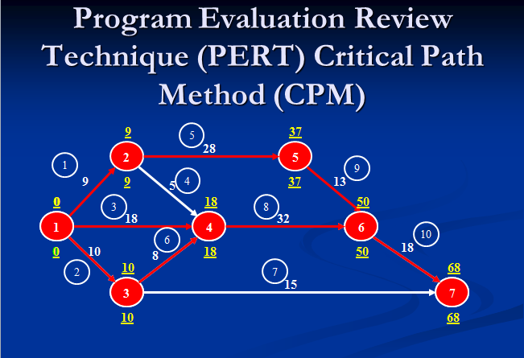
 | START
 | node | Activity | nó | Activity | nó | Activity | nó | Activity | nó
1 | 1 | 1 | 2 | 5 | 5 | 9 | 6 | 10 | 7
2 | 1 | 9 | 2 | 4 | 4 | 8 | 6 | 10 | 7
3 | 1 | 3 | 4 | 8 | 6 | 10 | 7
4 | 1 | 2 | 3 | 6 | 4 | 8 | 6 | 10 | 7
5 | 1 | 2 | 3 | 7 | 7

 | START
 | node | node | node | node | node
1 | 1 | 2 | 5 | 6 | 7
2 | 1 | 2 | 4 | 6 | 7
3 | 1 | 4 | 6 | 7
4 | 1 | 3 | 4 | 6 | 7
5 | 1 | 3 | 7

