Planilha1
concreto | fck (MPa) | 30 |  | fcd(kN/cm2) | 2.14 | Aço | fyk(MPa) | 500 |  | fyd (kN/cm2) | 43.48

valor k |  | h | pp | permanente | pq | parapeito | pq2 (balanco) |  | pk
 |  | m | kN/m2 | kN/m2 | kN/m2 | kN/m | kN/m
 | L1 | 0.12 | 3.00 | 1.00 | 5.00 |  |  |  | 9.00
 | L2 | 0.12 | 3.00 | 1.00 | 5.00 | 1.00 | 2.00 |  | 9.00
 | L3 | 0.10 | 2.50 | 1.00 | 5.00 |  |  |  | 8.50

tipo | Laje | Lx | Ly | Ly/Lx | Ly/Lx | alphax | alphay | betax | betay | mx | my | m'x | m'y
Czerny |  |  |  |  | adotado |  |  |  |  | pLx2/ax | pLx2/ay | (pLx2/bx) | (pLx2/by)
 |  | cm | cm |  |  |  |  |  |  | kN.m/m | kN.m/m | kN.m/m | kN.m/m
A2 | L1 | 440 | 514 | 1.17 | 1.20 | 25.9 | 28.9 | 0 | 10.1 | 6.73 | 6.03 | 0.00 | -17.25
 | L2 | 143 | 440 | 3.08 |  |  |  |  |  |  |  |  | -13.49
A2 | L3 | 164 | 300 | 1.83 | 1.85 | 12.3 | 36.2 | 0 | 8.4 | 1.86 | 0.63 | 0.00 | -2.72

momentos fletores sobre os apoios

 | Apoio | m'i | m'j | (m'i+m'j)/2 | 0,8*m' | m'ij
 |  | kN.m/m | kN.m/m | kN.m/m | kN.m/m | kN.m/m
 | L1-L2 | 17.3 | 13.5 | 15.4 | 13.84 | 15.40

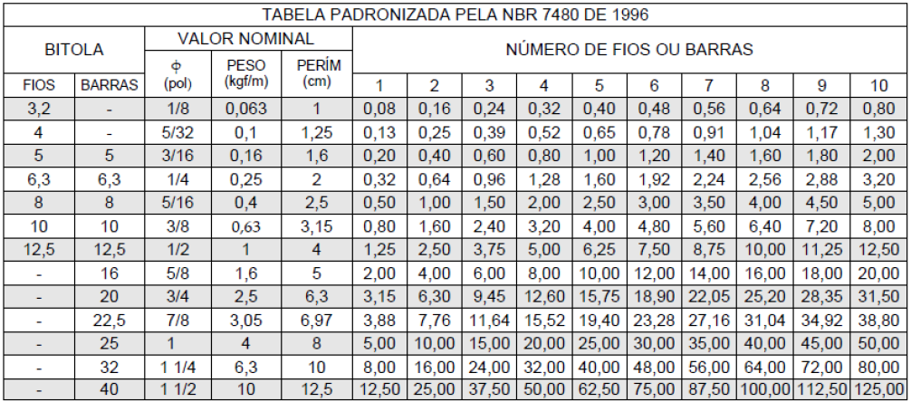
Dimensionamento das armaduras positivas e negativas

Laje |  | d | m | md | x | As | ro-min | As,min | As,adot | φ(mm)e s(cm)
 |  | cm | kN.m | kN.m | cm | cm2/m | % | cm2/m | cm2/m
L1 | mx | 9.75 | 6.73 | 9.42 | 0.68 | 2.29 | 0.10 | 1.21 | 2.50 | φ8c/20
 | my | 9.25 | 6.03 | 8.44 | 0.64 | 2.16 | 0.10 | 1.21 | 2.24 | φ6.3c/14
 | m'12 | 9.75 | 15.40 | 21.56 | 1.63 | 5.45 | 0.15 | 1.80 | 5.60 | φ10c/14
 | m'13 | 9.75 | 2.72 | 3.81 | 0.27 | 0.91 | 0.15 | 1.80 | 1.80 | φ6,3c/15
 | perimetral |  |  |  |  |  | 0.10 | 1.21 | 1.21 | φ5c/15
L2 | mx | 9.75 | 15.40 | 21.56 | 1.63 | 5.45 | 0.15 | 1.21 | 5.60 | φ10c/14

L3 | mx | 7.75 | 1.86 | 2.60 | 0.23 | 0.78 | 0.10 | 1.21 | 1.21 | φ5c/15
 | my | 7.25 | 0.63 | 0.88 | 0.08 | 0.28 | 0.10 | 1.21 | 1.21 | φ5c/15
 | m'13 | 7.75 | 2.72 | 3.81 | 0.34 | 1.15 | 0.15 | 1.80 | 1.80 | φ6,3c/15
 | perimetral |  |  |  |  |  | 0.10 | 1.01 | 1.01 | φ5c/20

